Email address
Email Address |  |  |  |  |  | Type | Key
Created by: Grinyova O. |  |  |  |  |  | Positive | P
 |  |  |  |  |  | Negative | N
Additional info: Mockup | 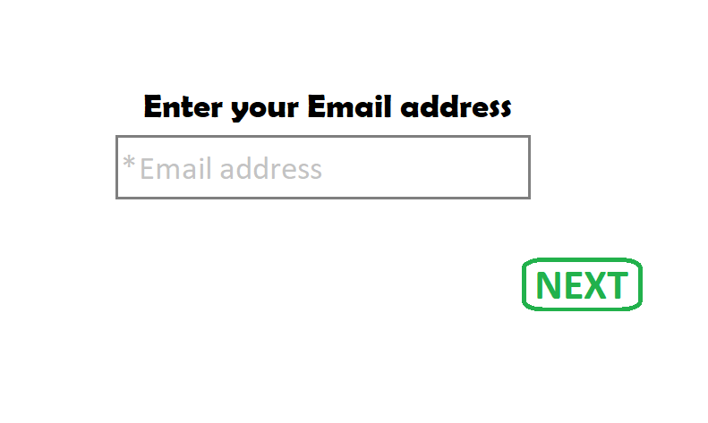
ID | Summary | Precondition | Steps | Expected result | Type
1 | The "Email address" field is accessible by clicking on it | The front page of the site is open | 1. Click on the field "Email address" | The "Email address" field is accessible by clicking on it | P
2 | The "Email address" field is available for data entry |  | 1. Click on the field "Email address" 2. Enter any data | The data is displayed in the field "Email address" | P
3 | The "Email address" field can be filled with the maximum permissible quantity of symbols (50 symbols) |  | 1. In the field "Email Address" enter maximum permissible quantity of valid symbols (50 symbols) 2. Press the button "Next" | Moved on the next step of registration - "Password" | P
4 | The "Email address" field can be filled with the minimum permissible quantity of symbols (5 symbols) |  | 1. In the field "Email Address" enter minimum permissible quantity of valid symbols (5 symbols) 2. Press the button "Next" | Moved on the next step of registration - "Password" | P
5 | The "Email address" field can be filled with an average value in the range from the minimum to the maximum quantity of symbols (23 symbols) |  | 1. In the field "Email Address" enter average value in the range from minimum to maximum permissible length (23 valid symbols) 2. Press the button "Next" | Moved on the next step of registration - "Password" | P
6 | The "Email address" field can be filled with Latin letters in lower register |  | 1. In the field "Email Address" enter an email in Latin letters in lower register (e.g.:text@green.com) 2. Press the button "Next" | Moved on the next step of registration - "Password" | P
7 | The "Email address" field can be filled with Latin letters in upper register |  | 1. In the field "Email Address" enter an email in Latin letters in upper register (e.g.:TEXT@GREEN.COM) 2. Press the button "Next" | Moved on the next step of registration - "Password" | P
8 | The "Email address" field can be filled with numbers in username |  | 1. In the field "Email Address" enter an email with any numbers in username (e.g.:1234560@green.com) 2. Press the button "Next" | Moved on the next step of registration - "Password" | P
9 | The "Email address" field can be filled with numbers in domain part |  | 1. In the field "Email Address" enter an email with any numbers in domain part (e.g.:Text@1234560.com) 2. Press the button "Next" | Moved on the next step of registration - "Password" | P
10 | The "Email address" field can be filled with Latin letters with the "dash" sign in username |  | 1. In the field "Email Address" enter an email with Latin letters in any register with the "dash" sign in username (e.g.:Text-Green@red.com) 2. Press the button "Next" | Moved on the next step of registration - "Password" | P
11 | The "Email address" field can be filled with Latin letters with the "dash" sign in domain part |  | 1. In the field "Email Address" enter an email with Latin letters in any register with a "dash" sign in domain part (e.g.:Text@Gre-en.com) 2. Press the button "Next" | Moved on the next step of registration - "Password" | P
12 | The "Email address" field can be filled with the "underscore" sign in username |  | 1. In the field "Email Address" enter an email with Latin letters in any register with the "underscore" sign in username (e.g.:Text_____green@red.com) 2. Press the button "Next" | Moved on the next step of registration - "Password" | P
13 | The "Email address" field can be filled with the "dot" sign in username |  | 1. In the field "Email Address" enter an email with Latin letters in any register with the "dot" sign in username (e.g.:Text.Green@red.com) 2. Press the button "Next" | Moved on the next step of registration - "Password" | P
14 | The "Email address" field can be filled with the "dot" sign in domain part |  | 1. In the field "Email Address" enter an email with Latin letters in any register with the "dot" sign in domain part (e.g.:Text@Green.Red.com) 2. Press the button "Next" | Moved on the next step of registration - "Password" | P
15 | The "Email address" field can be filled with clipboard data |  | 1. Copy a valid email address from the clipboard 2. Paste a valid email address in the field "Email Address" | The clipboard data is displayed in the field "Email address" | P
16 | The "Email address" field can be filled with the "plus" sign in username |  | 1. In the field "Email Address" enter an email with Latin letters in any register with the "plus" sign in username (e.g.:Text+green@red.com) 2. Press the button "Next" | Moved on the next step of registration - "Password" | P
17 | The "Email address" field can be filled with the "single quote" sign in username |  | 1. In the field "Email Address" enter aa email with Latin letters in any register with the "single quote" sing in username (e.g.:Text'green@red.com) 2. Press the button "Next" | Moved on the next step of registration - "Password" | P
18 | The "Email address" field can be filled with email with any valid top-level domain |  | 1. In the field "Email Address" enter an email with Latin letters in any register with any top-level domain (e.g.:Textgreen@red.info) 2. Press the button "Next" | Moved on the next step of registration - "Password" | P
19 | In the "Email address" field the domain can be a valid IP address |  | 1. In the field "Email Address" enter an email with Latin letters in any register with a valid IP address in domain (e.g.:Textgreen@234.234.234.234) 2. Press the button "Next" | Moved on the next step of registration - "Password" | P
20 | The "Email Address" field can't be empty |  | 1. Leave the field "Email Address" empty 2. Press the button "Next" | Info message "Please enter your email address" or "Email is required!" | N
21 | The "Email address" field can't be filled with Cyrillic letters |  | 1. In the field "Email Address" enter an email in Cyrillic letters in any register (e.g.:Текст@зеленый.com) 2. Press the button "Next" | Error message "Invalid Email" | N
22 | The "Email address" field can't be filled without an "at" sign |  | 1. In the field "Email Address" enter an email without "at" sign (e.g.:Textgreen.com) 2. Press the button "Next" | Error message "Invalid Email" | N
23 | The "Email address" field can't be filled with two "at" signs |  | 1. In the field "Email Address" enter an email with two "at" signs (e.g.:Text@green@.com) 2. Press the button "Next" | Error message "Invalid Email" | N
24 | The "Email address" field can't be filled without domain |  | 1. In the field "Email Address" enter an email without domain (e.g.:Textgreen@) 2. Press the button "Next" | Error message "Invalid Email" | N
25 | The "Email address" field can't be filled without username |  | 1. In the field "Email Address" enter an email without username (e.g.:@green.com) 2. Press the button "Next" | Error message "Invalid Email" | N
26 | The "Email address" field can't be filled without top-level domain |  | 1. In the field "Email Address" enter an email without top-level domain (e.g.:Text@green) 2. Press the button "Next" | Error message "Invalid Email" | N
27 | The email can't start with the leading "dot" sing in username in the "Email address" field |  | 1. In the field "Email Address" enter an email with leading "dot" sing in username (e.g.:.Text@green.com) 2. Press the button "Next" | Error message "Invalid Email" | N
28 | The email can't start with the trailing "dot" sing in username in the "Email address" field |  | 1. In the field "Email Address" enter an email with trailing "dot" sign in username (e.g.:Text.@green.com) 2. Press the button "Next" | Error message "Invalid Email" | N
29 | The email can't be filled with "multiple dots" in username in the "Email address" field |  | 1. In the field "Email Address" enter an email with "multiple dots" in username (e.g.:Text....green@red.com) 2. Press the button "Next" | Error message "Invalid Email" | N
30 | The email can't be filled with "multiple dots" in domain part in the "Email address" field |  | 1. In the field "Email Address" enter an email with multiple "dot" signs in domain part (e.g.:Text@green.....com) 2. Press the button "Next" | Error message "Invalid Email" | N
31 | The "Email address" field can't contain more symbols than the maximum allowed (51 symols) |  | 1. In the field "Email Address" enter maximum permissible quantity of valid symbols +1 symbol (51 symbols) 2. Press the button "Next" | Error message "Invalid Email" | N
32 | The "Email address" field can't contain less symbols than the minimum allowed (4 symbols) |  | 1. In the field "Email Address" enter minimum permissible quantity of valid symbols -1 symbol (4 symbols) 2. Press the button "Next" | Error message "Invalid Email" | N
33 | The "Email address" field can't contain spaces in username |  | 1. In the field "Email Address" enter an email with Latin letters in any register with space bar in username (e.g.:Text green@red.com) 2. Press the button "Next" | Error message "Invalid Email" | N
34 | The "Email address" field can't contain spaces in domain part |  | 1. In the field "Email Address" enter an email with Latin letters in any register with space bar in domain part (e.g.:Text@gre en.com) 2. Press the button "Next" | Error message "Invalid Email" | N
35 | The email can't be filled with trailing "dash" sing in domain part in the "Email address" field |  | 1. In the field "Email Address" enter an email with Latin letters in any register with the trailing "dash" sign in domain part (e.g.:Text@green-.com) 2. Press the button "Next" | Error message "Invalid Email" | N
36 | The email can't be filled with leading "dash" sing in domain part in the "Email address" field |  | 1. In the field "Email Address" enter an email with Latin letters in any register with the leading "dash" sign in domain part (e.g.:Text@-green.com) 2. Press the button "Next" | Error message "Invalid Email" | N
37 | The email can't be filled with "quotes" sign around username in the "Email address" field |  | 1. In the field "Email Address" enter an email with Latin letters in any register with "quotes" sign around username (e.g.:"Text"@green.com) 2. Press the button "Next" | Error message "Invalid Email" | N
38 | The email can't be filled with "quotes" sign around domain part in the "Email address" field |  | 1. In the field "Email Address" enter an email with Latin letters in any register with "quotes" sign around domain part (e.g.:Text@"green".com) 2. Press the button "Next" | Error message "Invalid Email" | N
39 | The email can't be filled with the "comma" sign in username in the "Email address" field |  | 1. In the field "Email Address" enter an email with Latin letters in any register with the "comma" sign in username (e.g.:Text,green@red.com) 2. Press the button "Next" | Error message "Invalid Email" | N
40 | The email can't be filled with the "comma" sign in domain part in the "Email address" field |  | 1. In the field "Email Address" enter an email with Latin letters in any register with the "comma" sign in domain part (e.g.:Text@gre,en.com) 2. Press the button "Next" | Error message "Invalid Email" | N
41 | The email can't be filled with "less than" sign in the "Email address" field |  | 1. In the field "Email Address" enter an email with Latin letters in any register with the "less than" sign in any part of email (e.g.:Te<xt@gre<en.com) 2. Press the button "Next" | Error message "Invalid Email" | N
42 | The email can't be filled with "greater than" sign in the "Email address" field |  | 1. In the field "Email Address" enter an email with Latin letters in any register with the "greater than" sign in any part of email (e.g.:Te>xt@green>.com) 2. Press the button "Next" | Error message "Invalid Email" | N

Password
Password |  |  |  |  |  | Type | Key
Created by: Grinyova O. |  |  |  |  |  | Positive | P
OVERVIEW: This suite of test cases checks positive and negative scenarios of the "Password" field |  |  |  |  |  | Negative | N
Additional info: Mockup | 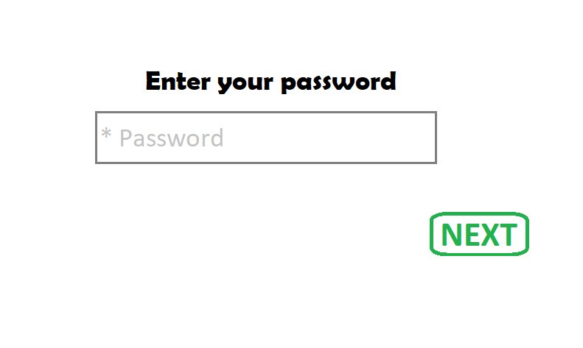
ID | Summary | Precondition | Steps | Expected result | Type
1 | The "Password" field is accessible by clicking on it | The "Password" page is open | 1. Click on the field "Password" | "Password" field is accessible by clicking on it | P
2 | The "Password" field is available for data entry |  | 1. Click on the field "Password" 2. Enter any data | The data is displayed in the field "Password" in the form of asterisks | P
3 | The "Password" field can be filled with the maximum permissible quantity of symbols (60 symbols) |  | 1. In the field "Password" enter maximum permissible quantity of valid symbols (60 symbols, only digits) 2. Press the button "Next" | Moved on the next step of registration - "Confirm your email" | P
4 | The "Password" field can be filled with the minimum permissible quantity of symbols (6 symbols) |  | 1. In the field "Password" enter minimum permissible quantity of valid symbols (6 symbols, only digits) 2. Press the button "Next" | Moved on the next step of registration - "Confirm your email" | P
5 | The "Password" field can be filled with an average value in the range from the minimum to the maximum quantity of symbols (27 symbols) |  | 1. In the field "Password" enter average value in the range from minimum to maximum permissible length (27 symbols, only digits) 2. Press the button "Next" | Moved on the next step of registration - "Confirm your email" | P
6 | The password is masked in the form of asterisks in the field "Password" |  | 1. In the field "Password" enter a valid password | Password is displayed in the field "Password" in the form of asterisks | P
7 | Entered data from the "Password" field can be deleted with the "Backspace key" |  | 1. In the field "Password" enter a valid password 2. Press the keyboard key "Backspace" as many times as need to remove data | Entered data is removed | P
8 | The "Password" field can be filled with digits |  | 1. In the field "Password" enter any valid quantity of digits (from 6 to 60 digits) (e.g.:1234567) 2. Press the button "Next" | Moved on the next step of registration - "Confirm your email" | P
9 | The "Password" field can be filled with clipboard data |  | 1. Copy a valid password from the clipboard 2. Paste a valid password in the field "Password" | The data is displayed in the field "Password" in the form of asterisks | P
10 | Password view functionality is available in the "Password" field |  | 1. In the field "Password" enter a valid password 2. Put a tick in the checkbox "View password" under the field "Password" | Password is displayed in the field "Password" as digits | P
11 | The "Password" field can't be empty |  | 1. Leave the field "Password" empty 2. Press the button "Next" | Info message "Please enter your password" or "Password is required!" | N
12 | The "Password" field can't be filled with Cyrillic letters |  | 1. In the field "Password" enter a password in Cyrillic letters in any register (e.g.:одиндватри) 2. Press the button "Next" | Error message "Invalid password" | N
13 | The "Password" field can't be filled with Latin letters |  | 1. In the field "Password" enter password in Latin letters in any register (e.g.:onetwothree) 2. Press the button "Next" | Error message "Invalid password" | N
14 | The "Password" field can't contain more symbols than the maximum allowed (61 digits) |  | 1. In the field "Password" enter maximum permissible quantity of valid symbols +1 symbol (61 symbols) 2. Press the button "Next" | Error message "Invalid password" | N
15 | The "Password" field can't contain less symbols than the minimum allowed (5 digits) |  | 1. In the field "Password" enter minimum permissible quantity of valid symbols -1 symbol (5 symbols) 2. Press the button "Next" | Error message "Invalid password" | N
16 | The "Password" field can't be filled with spaces between digits |  | 1. In the field "Password" enter a valid password with spaces in it (e.g.:12345 678 910) 2. Press the button "Next" | Error message "Invalid password" | N
17 | The "Password" field can't be filled with spaces instead of digits |  | 1. In the field "Password" enter a valid quantity of spaces (e.g.: ) 2. Press the button "Next" | Error message "Invalid password" | N
18 | The "Password" field can't be filled with special symbols |  | 1. In the field "Password" enter a valid password with any special symbols (e.g.:12345!%=10?{~}) 2. Press the button "Next" | Error message "Invalid password" | N
19 | An error message appears if the "Password" field is filled with an incorrect data |  | 1. In the field "Password" enter invalid password 2. Press the button "Next" | Error message "Invalid password" | N

Email Confirmation
Confirmation Email |  |  |  |  |  | Type | Key
Created by: Grinyova O. |  |  |  |  |  | Positive | P
OVERVIEW: This suite of test cases checks positive and negative scenarios of the " Confirmation Email" page |  |  |  |  |  | Negative | N
Additional info: Mockup | 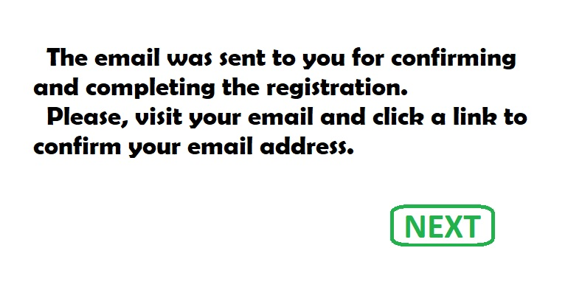
ID | Summary | Precondition | Steps | Expected result | Type
1 | The Confirmation email with a link is received by the user's email | The Confirmation email is sent to user's email | 1. Log in to the Email 2. Make sure that the Confirm email was received 3. Open the Confirm email | The Confirm email with a link is displayed on the screen | P
2 | The Email is confirmed by clicking a link in Confirmation email |  | 1. Log in to the Email 2. Open the Confirm email 3. Click the Confirmation link | Moved on "User profile" page. Info message "Thanks for registration! Please fill the data in your profile." | P
3 | The registration cannot be complete without clicking a link in Confirmation email | The "Confirm Email" page is open | 1. Press the button "Next" | Error message "The registration is not complete. Please, confirm your Email." | N

Full nameProfile picture
Full name and Profile Picture |  |  |  |  |  | Type | Key
Created by: Grinyova O. |  |  |  |  |  | Positive | P
OVERVIEW: This suite of test cases checks positive and negative scenarios of the "Full name" and "Profile picture" fields |  |  |  |  |  | Negative | N
Additional info: Mockup | 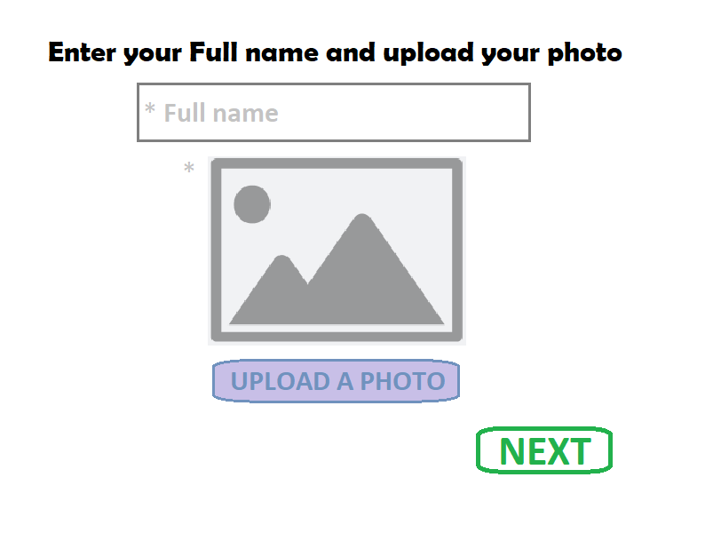
Full name
ID | Summary | Precondition | Steps | Expected result | Type
1 | The "Full name" field is accessible by clicking on it | The "User profile" page is open | 1. Click on the field "Full name" | The "Full name" field is accessible by clicking on it | P
2 | The "Full name" field is available for data entry |  | 1. Click on the field "Full name" 2. Enter any data | The data is displayed in the field "Full name" | P
3 | The "Full name" field can be filled with the maximum permissible quantity of symbols (70 symbols) |  | 1. In the field "Full name" enter maximum permissible quantity of valid symbols (70 symbols) 2. To a place for profile picture upload photo with a size from 1Mb to 5Mb, in .jpg, .png, .gif format, from 200*200px to 400*400px (e.g.:2Mb, .jpg, 250*250px) 3. Press the button "Next" | Moved on the next step of registration - "Payment" | P
4 | The "Full name" field can be filled with the minimum permissible quantity of symbols (2 symbols) |  | 1. In the field "Full name" enter minimum permissible quantity of valid symbols (2 symbols) 2. To a place for profile picture upload photo with a size from 1Mb to 5Mb, in .jpg, .png, .gif format, from 200*200px to 400*400px (e.g.:2Mb, .jpg, 250*250px) 3. Press the button "Next" | Moved on the next step of registration - "Payment" | P
5 | The "Full name" field can be filled with an average value in the range from the minimum to the maximum quantity of symbols (34 symbols) |  | 1. In the field "Full name" enter average value in the range from minimum to maximum permissible length (34 valid symbols) 2. To a place for profile picture upload photo with a size from 1Mb to 5Mb, in .jpg, .png, .gif format, from 200*200px to 400*400px (e.g.:2Mb, .jpg, 250*250px) 3. Press the button "Next" | Moved on the next step of registration - "Payment" | P
6 | The "Full name" field can be filled with Latin letters in any register |  | 1. In the field "Full name" enter a valid data in Latin letters in any register (e.g.:Michael Brown) 2. To a place for profile picture upload photo with a size from 1Mb to 5Mb, in .jpg, .png, .gif format, from 200*200px to 400*400px (e.g.:2Mb, .jpg, 250*250px) 3. Press the button "Next" | Moved on the next step of registration - "Payment" | P
7 | The "Full name" field can be filled with Cyrillic letters in any register |  | 1. In the field "Full name" enter a valid data in Cyrillic letters in any register (e.g.:Михаил Браун) 2. To a place for profile picture upload photo with a size from 1Mb to 5Mb, in .jpg, .png, .gif format, from 200*200px to 400*400px (e.g.:2Mb, .jpg, 250*250px) 3. Press the button "Next" | Moved on the next step of registration - "Payment" | P
8 | The "Full name" field can be filled with any letters in lower register |  | 1. In the field "Full name" enter a valid data in any letters in lower register (e.g.:michael brown) 2. To a place for profile picture upload photo with a size from 1Mb to 5Mb, in .jpg, .png, .gif format, from 200*200px to 400*400px (e.g.:2Mb, .jpg, 250*250px) 3. Press the button "Next" | Moved on the next step of registration - "Payment" | P
9 | The "Full name" field can be filled with any letters in upper register |  | 1. In the field "Full name" enter a valid data in any letters in upper register (e.g.:MICHAEL BROWN) 2. To a place for profile picture upload photo with a size from 1Mb to 5Mb, in .jpg, .png, .gif format, from 200*200px to 400*400px (e.g.:2Mb, .jpg, 250*250px) 3. Press the button "Next" | Moved on the next step of registration - "Payment" | P
10 | The "Full name" field can be filled with clipboard data |  | 1. Copy a valid full name from the clipboard 2. Paste a valid full name in the field "Full name" | The data is displayed in the field "Full name" | P
11 | The "Full name" field can be filled with only name and surmane |  | 1. In the field "Full name" enter a valid name and surname in any letters in any register (e.g.:Michael Brown) 2. To a place for profile picture upload photo with a size from 1Mb to 5Mb, in .jpg, .png, .gif format, from 200*200px to 400*400px (e.g.:2Mb, .jpg, 250*250px) 3. Press the button "Next" | Moved on the next step of registration - "Payment" | P
12 | The "Full name" field can be filled with any letters with the "dash" sign between words |  | 1. In the field "Full name" enter a valid full name with a "dash" sign in it (e.g.:Michael-Nickolas-Brown) 2. To a place for profile picture upload photo with a size from 1Mb to 5Mb, in .jpg, .png, .gif format, from 200*200px to 400*400px (e.g.:2Mb, .jpg, 250*250px) 3. Press the button "Next" | Moved on the next step of registration - "Payment" | P
13 | The "Full name" field can be filled with spaces between Name, Surname, Middle name |  | 1. In the field "Full name" enter a valid full name with spaces in it (e.g.:Michael Nickolas Brown) 2. To a place for profile picture upload photo with a size from 1Mb to 5Mb, in .jpg, .png, .gif format, from 200*200px to 400*400px (e.g.:2Mb, .jpg, 250*250px) 3. Press the button "Next" | Moved on the next step of registration - "Payment" | P
14 | The "Full name" field can't be empty |  | 1. Leave the field "Full name" empty 2. To a place for profile picture upload photo with a size from 1Mb to 5Mb, in .jpg, .png, .gif format, from 200*200px to 400*400px (e.g.:2Mb, .jpg, 250*250px) 3. Press the button "Next" | Info message "Please enter your full name" or "Full name is required!" | N
15 | The "Full name" field can't be filled with only name |  | 1. In the field "Full name" enter only name in any letters in any register (e.g.:Michael) 2. To a place for profile picture upload photo with a size from 1Mb to 5Mb, in .jpg, .png, .gif format, from 200*200px to 400*400px (e.g.:2Mb, .jpg, 250*250px) 3. Press the button "Next" | Error message "Invalid Full name" | N
16 | The "Full name" field can't be filled with only surname |  | 1. In the field "Full name" enter only surname in any letters in any register (e.g.:Brown) 2. To a place for profile picture upload photo with a size from 1Mb to 5Mb, in .jpg, .png, .gif format, from 200*200px to 400*400px (e.g.:2Mb, .jpg, 250*250px) 3. Press the button "Next" | Error message "Invalid Full name" | N
17 | The "Full name" field can't be filled with only middle name |  | 1. In the field "Full name" enter only middle name in any letters in any register (e.g.:Nikolayevich) 2. To a place for profile picture upload photo with a size from 1Mb to 5Mb, in .jpg, .png, .gif format, from 200*200px to 400*400px (e.g.:2Mb, .jpg, 250*250px) 3. Press the button "Next" | Error message "Invalid Full name" | N
18 | The "Full name" field can't filled with more symbols than the maximum allowed (71 symbols) |  | 1. In the field "Full name" enter maximum permissible quantity of valid symbols +1 symbol (71 symbols) 2. To a place for profile picture upload photo with a size from 1Mb to 5Mb, in .jpg, .png, .gif format, from 200*200px to 400*400px (e.g.:2Mb, .jpg, 250*250px) 3. Press the button "Next" | Error message "Invalid Full name" | N
19 | The "Full name" field can't be filled with less symbols than the minimum allowed (1 symbol) |  | 1. In the field "Full name" enter minimum permissible quantity of valid symbols -1 symbol (1 symbol) 2. To a place for profile picture upload photo with a size from 1Mb to 5Mb, in .jpg, .png, .gif format, from 200*200px to 400*400px (e.g.:2Mb, .jpg, 250*250px) 3. Press the button "Next" | Error message "Invalid Full name" | N
20 | The "Full name" field can't be filled with spaces only |  | 1. In the field "Full name" enter a valid quantity of spaces (e.g.: ) 2. To a place for profile picture upload photo with a size from 1Mb to 5Mb, in .jpg, .png, .gif format, from 200*200px to 400*400px (e.g.:2Mb, .jpg, 250*250px) 3. Press the button "Next" | Error message "Invalid Full name" | N
21 | The "Full name" field can't be filled with digits |  | 1. In the field "Full name" enter a valid quantity digits instead of letters (e.g.:12345678910) 2. To a place for profile picture upload photo with a size from 1Mb to 5Mb, in .jpg, .png, .gif format, from 200*200px to 400*400px (e.g.:2Mb, .jpg, 250*250px) 3. Press the button "Next" | Error message "Invalid Full name" | N
22 | The "Full name" field can't be filled with "dot" sign |  | 1. In the field "Full name" enter a valid name, surname and middle name with "dot" signs between them (e.g.:Mic.hael Brown Nikolayevich) 2. To a place for profile picture upload photo with a size from 1Mb to 5Mb, in .jpg, .png, .gif format, from 200*200px to 400*400px (e.g.:2Mb, .jpg, 250*250px) 3. Press the button "Next" | Error message "Invalid Full name" | N
23 | The "Full name" field can't be filled with special symbols |  | 1. In the field "Full name" enter a valid date with any special symbols (e.g.:#Miichael#$%&{Brown}) 2. To a place for profile picture upload photo with a size from 1Mb to 5Mb, in .jpg, .png, .gif format, from 200*200px to 400*400px (e.g.:2Mb, .jpg, 250*250px) 3. Press the button "Next" | Error message "Invalid Full name" | N
Profile picture
ID | Summary | Precondition | Steps | Expected result | Type
1 | The "Upload a photo" button is accessible by clicking on it | The "User profile" page is open | 1. In the field "Full name" enter permissible quantity of valid symbols (from 2 to 70 symbols) 2. Click on the "Upload a photo" button | A window with a "Choose a photo" button appears on the screen | P
2 | The maximum permissible size of uploaded photo is 5Mb |  | 1. In the field "Full name" enter permissible quantity of valid symbols (from 2 to 70 symbols in Latin or Cyrillic letters, in any register) 2. Click the "Upload a photo" button 3. Click the "Choose a photo" button 4. Find a photo with a max size of 5Mb, in .png, .gif or .jpg format, from 200*200px to 400*400px (e.g.:5Mb, .jpg, 250*300px) 5. Click the photo to choose it 6. Click the "Open" button 7. Click the "Save" button 8. Press the button "Next" | Moved on the next step of registration - "Payment" | P
3 | The minimum permissible size of uploaded photo is 1Mb |  | 1. In the field "Full name" enter permissible quantity of valid symbols (from 2 to 70 symbols in Latin or Cyrillic letters, in any register) 2. Click the "Upload a photo" button 3. Click the "Choose a photo" button 4. Find a photo with a min size of 1Mb, in .png, .gif or .jpg format, from 200*200px to 400*400px (e.g.:1Mb, .jpg, 250*300px) 5. Click the photo to choose it 6. Click the "Open" button 7. Click the "Save" button 8. Press the button "Next" | Moved on the next step of registration - "Payment" | P
4 | The uploaded photo with an average value in the range from the minimum to the maximum permissible size (3Mb) |  | 1. In the field "Full name" enter permissible quantity of valid symbols (from 2 to 70 symbols in Latin or Cyrillic letters, in any register) 2. Click the "Upload a photo" button 3. Click the "Choose a photo" button 4. Find a photo with an average value in the range from 1Mb to 5Mb, in .png, .gif or .jpg format, from 200*200px to 400*400px (e.g.:2,5Mb, .jpg, 250*300px) 5. Click the photo to choose it 6. Click the "Open" button 7. Click the "Save" button 8. Press the button "Next" | Moved on the next step of registration - "Payment" | P
5 | The "Choose a photo" button asks for the location for choosing a photo |  | 1. In the field "Full name" enter permissible quantity of valid symbols (from 2 to 70 symbols in Latin or Cyrillic letters, in any register) 2. Click the "Upload a photo" button 3. Click the "Choose a photo" button | The location for choosing a photo appears on the screen | P
6 | The photo for profile picture can be in ".png" format |  | 1. In the field "Full name" enter permissible quantity of valid symbols (from 2 to 70 symbols in Latin or Cyrillic letters, in any register) 2. Click the "Upload a photo" button 3. Click the "Choose a photo" button 4. Find a photo with a size from 1Mb to 5Mb, in .png format, from 200*200px to 400*400px (e.g.:3Mb, .png, 200*200 px) 5. Click the photo to choose it 6. Click the "Open" button 7. Click the "Save" button 8. Press the button "Next" | Moved on the next step of registration - "Payment" | P
7 | The photo for profile picture can be in ".jpg" format |  | 1. In the field "Full name" enter permissible quantity of valid symbols (from 2 to 70 symbols in Latin or Cyrillic letters, in any register) 2. Click the "Upload a photo" button 3. Click the "Choose a photo" button 4. Find a photo with a size from 1Mb to 5Mb, in .jpg format, from 200*200px to 400*400px (e.g.:2Mb, .jpg, 250*250px) 5. Click the photo to choose it 6. Click the "Open" button 7. Click the "Save" button 8. Press the button "Next" | Moved on the next step of registration - "Payment" | P
8 | The photo for profile picture can be in ".gif" format |  | 1. In the field "Full name" enter permissible quantity of valid symbols (from 2 to 70 symbols in Latin or Cyrillic letters, in any register) 2. Click the "Upload a photo" button 3. Click the "Choose a photo" button 4. Find a photo with a size from 1Mb to 5Mb, in .gif format, from 200*200px to 400*400px (e.g.:4,5Mb, .gif, 200*350) 5. Click the photo to choose it 6. Click the "Open" button 7. Click the "Save" button 8. Press the button "Next" | Moved on the next step of registration - "Payment" | P
9 | The maximum permissible resolution of uploaded photo is 400*400px |  | 1. In the field "Full name" enter permissible quantity of valid symbols (from 2 to 70 symbols in Latin or Cyrillic letters, in any register) 2. Click the "Upload a photo" button 3. Click the "Choose a photo" button 4. Find a photo with a max 400*400px, with a size from 1Mb to 5Mb, in .png, .gif or .jpg format (400*400px, 2Mb, .png) 5. Click the photo to choose it 6. Click the "Open" button 7. Click the "Save" button 8. Press the button "Next" | Moved on the next step of registration - "Payment" | P
10 | The minimum permissible resolution of uploaded photo is 200*200px |  | 1. In the field "Full name" enter permissible quantity of valid symbols (from 2 to 70 symbols in Latin or Cyrillic letters, in any register) 2. Click the "Upload a photo" button 3. Click the "Choose a photo" button 4. Find a photo with a min 200*200px, with a size from 1Mb to 5Mb, in .png, .gif or .jpg format (200*200px, 2Mb, .png) 5. Click the photo to choose it 6. Click the "Open" button 7. Click the "Save" button 8. Press the button "Next" | Moved on the next step of registration - "Payment" | P
11 | The uploaded photo with an average value in the range from the minimum to the maximum permissible resolution (300*300px) |  | 1. In the field "Full name" enter permissible quantity of valid symbols (from 2 to 70 symbols in Latin or Cyrillic letters, in any register) 2. Click the "Upload a photo" button 3. Click the "Choose a photo" button 4. Find a photo with an average value in the range from 200*200px to 400*400px, with a size from 1Mb to 5Mb, in .png, .gif or .jpg format (300*300px, 2Mb, .png) 5. Click the photo to choose it 6. Click the "Open" button 7. Click the "Save" button 8. Press the button "Next" | Moved on the next step of registration - "Payment" | P
12 | The photo for profile picture can be cropped |  | 1. In the field "Full name" enter permissible quantity of valid symbols (from 2 to 70 symbols in Latin or Cyrillic letters, in any register) 2. Click the "Upload a photo" button 3. Click the "Choose a photo" button 4. Find a photo with a size from 1Mb to 5Mb, in .png, .gif or .jpg format, from 200*200px to 400*400px (e.g.:3Mb, .png, 230*260px) 5. Click the photo to choose it 6. Click the "Open" button 7. Drag the selection boxes to crop a photo 8. Click the "Save" button | The uploaded photo is cropped and displayed in the user profile | P
13 | The uploaded photo is displayed in the user profile |  | 1. In the field "Full name" enter permissible quantity of valid symbols (from 2 to 70 symbols in Latin or Cyrillic letters, in any register) 2. Click the "Upload a photo" button 3. Click the "Choose a photo" button 4. Find a photo with a size from 1Mb to 5Mb, in .png, .gif or .jpg format, from 200*200px to 400*400px (e.g.:3Mb, .png, 230*260px) 5. Click the photo to choose it 6. Click the "Open" button 7. Click the "Save" button | The uploaded photo is displayed in the user profile | P
14 | The selected photo for profile picture can be canceled |  | 1. In the field "Full name" enter permissible quantity of valid symbols (from 2 to 70 symbols in Latin or Cyrillic letters, in any register) 2. Click the "Upload a photo" button 3. Click the "Choose a photo" button 4. Find a photo with a size from 1Mb to 5Mb, in .png, .gif or .jpg format, from 200*200px to 400*400px (e.g.:3Mb, .png, 230*260px) 5. Click the photo to choose it 6. Click the "Open" button 7. Click the "Cancel" button | The "User profile" page is open. The canceled photo is not uploaded | P
15 | The uploaded photo for profile picture can be changed to another photo |  | 1. In the field "Full name" enter permissible quantity of valid symbols (from 2 to 70 symbols in Latin or Cyrillic letters, in any register) 2. Click the "Upload a photo" button 3. Click the "Choose a photo" button 4. Find a photo with a size from 1Mb to 5Mb, in png, gif or jpg format, from 200*200px to 400*400px (e.g.:3Mb, png, 230*260) 5. Click the photo to choose it 6. Click the "Open" or "Browse" button 7. Click the "Save" button 8. Click on the photo 9. Under the photo click "Change the photo" button 10. Click the "Choose a photo" button 11. Find another a photo with a size from 1Mb to 5Mb, in .png, .gif or .jpg format, from 200*200px to 400*400px (e.g.:4Mb, .gif, 300*300) 12. Click the photo to choose it 13. Click the "Open" button 14. Click the "Save" button | The new photo is displayed on the "User profile" page | P
16 | The photo for profile picture can be uploaded from a computer | The "User profile" page is opened from a computer | 1. In the field "Full name" enter permissible quantity of valid symbols (from 2 to 70 symbols in Latin or Cyrillic letters, in any register) 2. Click the "Upload a photo" button 3. Click the "Choose a photo" button 4. Find a photo with a size from 1Mb to 5Mb, in .png, .gif or .jpg format, from 200*200px to 400*400px (e.g.:3Mb, .png, 230*260) 5. Click the photo to choose it 6. Click the "Open" button 7. Click the "Save" button | The chosen photo is uploaded | P
17 | The photo for profile picture can be uploaded from a mobile | The "User profile" page is opened from a mobile | 1. In the field "Full name" enter permissible quantity of valid symbols (from 2 to 70 symbols in Latin or Cyrillic letters, in any register) 2. Click the "Upload a photo" button 3. Click the "Choose from library" button 4. Find a photo with a size from 1Mb to 5Mb, in .png, .gif or .jpg format, from 200*200px to 400*400px (e.g.:2Mb, .jpg, 200*200) 5. Click the photo to choose it 6. Click the "Open" button 7. Click the "Choose" button | The chosen photo is uploaded | P
18 | The uploaded photo for profile picture can be removed | The "User profile" page is open | 1. In the field "Full name" enter permissible quantity of valid symbols (from 2 to 70 symbols in Latin or Cyrillic letters, in any register) 2. Click the "Upload a photo" button 3. Click the "Choose a photo" button 4. Find a photo with a size from 1Mb to 5Mb, in .png, .gif or .jpg format, from 200*200px to 400*400px (e.g.:3Mb, .png, 230*260) 5. Click the photo to choose it 6. Click the "Open" button 7. Click the "Save" button 8. Click on the photo 9. Under the photo click "delete" button | The removed photo is not displayed on the "User profile" page | P
19 | The registration doesn't proceed without uploaded photo on the "User profile" page |  | 1. In the field "Full name" enter permissible quantity of valid symbols (from 2 to 70 symbols in Latin or Cyrillic letters, in any register) 2. Press the button "Next" | Error message "Please add the appropriate file for your Profile picture" | N
20 | The photo with the size more than the maximum allowed (6Mb) cannot be uploaded |  | 1. In the field "Full name" enter permissible quantity of valid symbols (from 2 to 70 symbols in Latin or Cyrillic letters, in any register) 2. Click the "Upload a photo" button 3. Click the "Choose a photo" button 4. Find a photo with a size exceeding the max size by 1Mb, in .png, .gif or .jpg format, from 200*200px to 400*400px (e.g.:6Mb, .png, 230*250px) 5. Click the photo to choose it 6. Click the "Open" button | Error message "Please add the appropriate file for your Profile picture" | N
21 | The photo with the size less than the minimum allowed (0,5Mb) cannot be uploaded |  | 1. In the field "Full name" enter permissible quantity of valid symbols (from 2 to 70 symbols in Latin or Cyrillic letters, in any register) 2. Click the "Upload a photo" button 3. Click the "Choose a photo" button 4. Find a photo with a size less than the min size by 1Mb, in .png, .gif or .jpg format, from 200*200px to 400*400px (e.g.:0,5Mb, .png, 230*250px) 5. Click the photo to choose it 6. Click the "Open" button | Error message "Please add the appropriate file for your Profile picture" | N
22 | The photo in an invalid format (all formats are invalid except .gif, .jpg, .png) cannot be uploaded |  | 1. In the field "Full name" enter permissible quantity of valid symbols (from 2 to 70 symbols in Latin or Cyrillic letters, in any register) 2. Click the "Upload a photo" button 3. Click the "Choose a photo" button 4. Find a photo in any format except .png, .gif, .jpg (e.g.: .tiff, .bmp, .svg,), with a size from 1Mb to 5Mb, from 200*200px to 400*400px (e.g.:3Mb, .bmp, 200*200 px) 5. Click the photo to choose it 6. Click the "Open" | Error message "Please add the appropriate file for your Profile picture" | N
23 | The photo with the resolution more than the maximum allowed (401*401px) cannot be uploaded |  | 1. In the field "Full name" enter permissible quantity of valid symbols (from 2 to 70 symbols in Latin or Cyrillic letters, in any register) 2. Click the "Upload a photo" button 3. Click the "Choose a photo" button 4. Find a photo with resolution exceeding the max by 1px, with a size from 1Mb to 5Mb, in .png, .gif or .jpg format (401*401px, 2Mb, .png) 5. Click the photo to choose it 6. Click the "Open" button | Error message "Please add the appropriate file for your Profile picture" | N
24 | The photo with the resolution less than the minimum allowed (199*199px) cannot be uploaded |  | 1. In the field "Full name" enter permissible quantity of valid symbols (from 2 to 70 symbols in Latin or Cyrillic letters, in any register) 2. Click the "Upload a photo" button 3. Click the "Choose a photo" button 4. Find a photo with resolution less than the min by 1px, with a size from 1Mb to 5Mb, in .png, .gif or .jpg format (199*199px, 2Mb, .png) 5. Click the photo to choose it 6. Click the "Open" button | Error message "Please add the appropriate file for your Profile picture" | N

Credit Card data
Credit card data |  |  |  |  |  | Type | Key
Created by: Grinyova O. |  |  |  |  |  | Positive | P
OVERVIEW: This suite of test cases checks positive and negative scenarios of the "Credit card data" page |  |  |  |  |  | Negative | N
Additional info: Mockup | 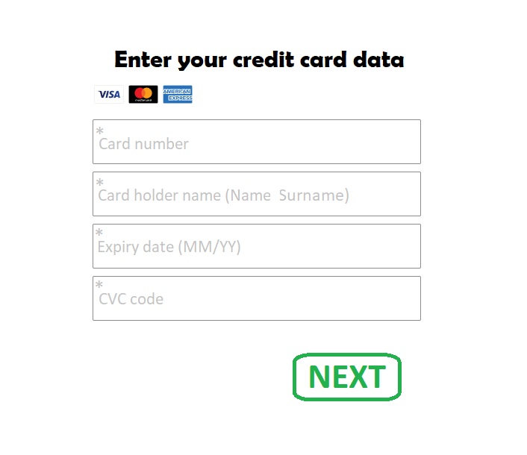
Card number
ID | Summary | Precondition | Steps | Expected result | Type
1 | The "Card number" field is accessible by clicking on it | Thr "Payment" page is open | 1. Click on the field "Card number" | "Card number" field is accessible by clicking on it | P
2 | The "Card number" field is available for data entry |  | 1. Click on the field "Card number" 2. Enter any data | The data is displayed in the field "Card number" | P
3 | The "Card number" field can be filled with the maximum permissible quantity of symbols (19 digits) |  | 1. In the field "Card number" enter maximum permissible quantity of valid symbols (19 digits) (e.g.:8171999900000000021) 2. In the field "Card holder name" enter from 2 to 50 Latin letters in any register (e.g.:Michael Brown) 3. In the field "Expiry date" enter permissible quantity of valid symbols (2 digits for the month, 2 digits for the year) (e.g.:11/25) 4. In the field "CVC" enter from 3-4 any digits (e.g.:333) 5. Press the button "Next" | Info message "Thanks for joining us! The 1st month is free. Please click Next and start filling in the data for your account. Or you can click Cancel button and cancel your subscription." | P
4 | The "Card number" field can be filled with the minimum permissible quantity of symbols (12 digits) |  | 1. In the field "Card number" enter minimum permissible quantity of valid symbols (12 digits) (e.g.:624303000001) 2. In the field "Card holder name" enter from 2 to 50 Latin letters in any register (e.g.:Michael Brown) 3. In the field "Expiry date" enter permissible quantity of valid symbols (2 digits for the month, 2 digits for the year) (e.g.:11/25) 4. In the field "CVC" enter from 3-4 any digits (e.g.:333) 5. Press the button "Next" | Info message "Thanks for joining us! The 1st month is free. Please click Next and start filling in the data for your account. Or you can click Cancel button and cancel your subscription." | P
5 | The "Card number" field can be filled with an average value in the range from the minimum to the maximum quantity of symbols (16 digits) |  | 1. In the field "Card number" enter average value in the range from minimum to maximum permissible length (16 digits) (e.g.:8171999900000000) 2. In the field "Card holder name" enter from 2 to 50 Latin letters in any register (e.g.:Michael Brown) 3. In the field "Expiry date" enter permissible quantity of valid symbols (2 digits for the month, 2 digits for the year) (e.g.:11/25) 4. In the field "CVC" enter from 3-4 any digits (e.g.:333) 5. Press the button "Next" | Info message "Thanks for joining us! The 1st month is free. Please click Next and start filling in the data for your account. Or you can click Cancel button and cancel your subscription." | P
6 | The "Card number" field can be filled with digits |  | 1. In the field "Card number" enter any valid quantity of digits (from 12 to 19 digits) (e.g.:36006666333344) 2. In the field "Card holder name" enter from 2 to 50 Latin letters in any register (e.g.:Michael Brown) 3. In the field "Expiry date" enter permissible quantity of valid symbols (2 digits for the month, 2 digits for the year) (e.g.:11/25) 4. In the field "CVC" enter from 3 to 4 any digits (e.g.:333) 5. Press the button "Next" | Info message "Thanks for joining us! The 1st month is free. Please click Next and start filling in the data for your account. Or you can click Cancel button and cancel your subscription." | P
7 | The "Card number" field can be filled with clipboard data |  | 1. Copy a valid card number from the clipboard (from 12 to 19 digits) 2. Click on the field "Card number" 2. Paste a valid card number in the field "Card number" | The data is displayed in the field "Card number" | P
8 | The "Card number" field can be filled with spaces after each 4-digits block |  | 1. In the field "Card number" enter any valid quantity of digits (from 12 to 19 digits) (e.g.:3600 6666 3333 44) 2. In the field "Card holder name" enter from 2 to 50 Latin letters in any register (e.g.:Michael Brown) 3. In the field "Expiry date" enter permissible quantity of valid symbols (2 digits for the month, 2 digits for the year) (e.g.:11/25) 4. In the field "CVC" enter from 3 to 4 any digits (e.g.:333) 5. Press the button "Next" | Info message "Thanks for joining us! The 1st month is free. Please click Next and start filling in the data for your account. Or you can click Cancel button and cancel your subscription." | P
9 | Entered data from the "Card number" field can be deleted with the "Backspace key" |  | 1. In the field "Card number" enter any valid quantity of digits (from 12 to 19 digits) 2. Press the keyboard key "Backspace" as many times as need to remove data | Entered data is removed | P
10 | The "Card number" field can't be empty |  | 1. Leave the field "Card number" empty 2. In the field "Card holder name" enter from 2 to 50 Latin letters in any register (e.g.:Michael Brown) 3. In the field "Expiry date" enter permissible quantity of valid symbols (2 digits for the month, 2 digits for the year) (e.g.:11/25) 4. In the field "CVC" enter from 3 to 4 any digits (e.g.:333) 5. Press the button "Next" | Error message "Invalid credit card data" | N
11 | The "Card number" field can't be filled with spaces instead of digits |  | 1. In the field "Card number" enter from 12 to 19 spaces (e.g.: ) 2. In the field "Card holder name" enter from 2 to 50 Latin letters in any register (e.g.:Michael Brown) 3. In the field "Expiry date" enter permissible quantity of valid symbols (2 digits for the month, 2 digits for the year) (e.g.:11/25) 4. In the field "CVC" enter from 3 to 4 any digits (e.g.:333) 5. Press the button "Next" | Error message "Invalid credit card data" | N
12 | The "Card number" field can't be filled with Cyrillic letters |  | 1. In the field "Card number" enter a card number in Cyrillic letters in any register (from 12 to 19 symbols) (e.g.:тринольдвашестьсемь) 2. In the field "Card holder name" enter from 2 to 50 Latin letters in any register (e.g.:Michael Brown) 3. In the field "Expiry date" enter permissible quantity of valid symbols (2 digits for the month, 2 digits for the year) (e.g.:11/25) 4. In the field "CVC" enter from 3 to 4 any digits (e.g.:333) 5. Press the button "Next" | Error message "Invalid credit card data" | N
13 | The "Card number" field can't be filled with Latin letters |  | 1. In the field "Card number" enter a card number in Latin letters in any register (from 12 to 19 symbols) (e.g.:onetwothreefourfive) 2. In the field "Card holder name" enter from 2 to 50 Latin letters in any register (e.g.:Michael Brown) 3. In the field "Expiry date" enter permissible quantity of valid symbols (2 digits for the month, 2 digits for the year) (e.g.:11/25) 4. In the field "CVC" enter from 3 to 4 any digits (e.g.:333) 5. Press the button "Next" | Error message "Invalid credit card data" | N
14 | The "Card number" field can't contain more symbols than the maximum allowed (20 digits) |  | 1. In the field "Card number" enter maximum permissible quantity of valid symbols +1 symbol (20 digits) (e.g.:81719999000000000213) 2. In the field "Card holder name" enter from 2 to 50 Latin letters in any register (e.g.:Michael Brown) 3. In the field "Expiry date" enter permissible quantity of valid symbols (2 digits for the month, 2 digits for the year) (e.g.:11/25) 4. In the field "CVC" enter from 3-4 any digits (e.g.:333) 5. Press the button "Next" | Error message "Invalid credit card data" | N
15 | The "Card number" field can't contain less symbols than the minimum allowed (1 digit) |  | 1. In the field "Card number" enter minimum permissible quantity of valid symbols -1 symbol (11 digits) (e.g.:62430300001) 2. In the field "Card holder name" enter from 2 to 50 Latin letters in any register (e.g.:Michael Brown) 3. In the field "Expiry date" enter permissible quantity of valid symbols (2 digits for the month, 2 digits for the year) (e.g.:11/25) 4. In the field "CVC" enter from 3-4 any digits (e.g.:333) 5. Press the button "Next" | Error message "Invalid credit card data" | N
16 | The "Card number" field can't be filled with special symbols |  | 1. In the field "Card number" enter any valid quantity any special symbols (from 12 to 19 symbols) (e.g.:12345312=~19?) 2. In the field "Card holder name" enter from 2 to 50 Latin letters in any register (e.g.:Michael Brown) 3. In the field "Expiry date" enter permissible quantity of valid symbols (2 digits for the month, 2 digits for the year) (e.g.:11/25) 4. In the field "CVC" enter from 3 to 4 any digits (e.g.:333) 5. Press the button "Next" | Error message "Invalid credit card data" | N
17 | An error message appears if the "Card number" field is filled with an invalid data |  | 1. In the field "Card number" enter invalid card number (e.g.:12345312=~19?) 2. In the field "Card holder name" enter from 2 to 50 Latin letters in any register (e.g.:Michael Brown) 3. In the field "Expiry date" enter permissible quantity of valid symbols (2 digits for the month, 2 digits for the year) (e.g.:11/25) 4. In the field "CVC" enter from 3 to 4 any digits (e.g.:333) 5. Press the button "Next" | Error message "Invalid credit card data" | N
Card holder name
ID | Summary | Precondition | Steps | Expected result | Type
1 | The "Card holder name" field is accessible by clicking on it | "Payment" page is open | 1. Click on the field "Card holder name" | "Card holder name" field is accessible by clicking on it | P
2 | The "Card holder name" field is available for data entry |  | 1. Click on the field "Card holder name" 2. Enter any data | The data is displayed in the field "Card holder name" | P
3 | The "Card holder name" field can be filled with the maximum permissible quantity of symbols (50 symbols) |  | 1. In the field "Card number" enter any valid quantity of digits (from 12 to 19 digits) (e.g.:36006666333344) 2. In the field "Card holder name" enter maximum permissible quantity of valid symbols in Latin letters in any register (50 symbols) 3. In the field "Expiry date" enter permissible quantity of valid symbols (2 digits for the month, 2 digits for the year) (e.g.:11/25) 4. In the field "CVC" enter from 3 to 4 any digits (e.g.:333) 5. Press the button "Next" | Info message "Thanks for joining us! The 1st month is free. Please click Next and start filling in the data for your account. Or you can click Cancel button and cancel your subscription." | P
4 | The "Card holder name" field can be filled with the minimum permissible quantity of symbols (2 symbols) |  | 1. In the field "Card number" enter any valid quantity of digits (from 12 to 19 digits) (e.g.:36006666333344) 2. In the field "Card holder name" enter minimum permissible quantity of valid symbols in Latin letters in any register (2 symbols) 3. In the field "Expiry date" enter permissible quantity of valid symbols (2 digits for the month, 2 digits for the year) (e.g.:11/25) 4. In the field "CVC" enter from 3 to 4 any digits (e.g.:333) 5. Press the button "Next" | Info message "Thanks for joining us! The 1st month is free. Please click Next and start filling in the data for your account. Or you can click Cancel button and cancel your subscription." | P
5 | The "Card holder name" field can be filled with an average value in the range from the minimum to the maximum quantity of symbols (16 digits) |  | 1. In the field "Card number" enter any valid quantity of digits (from 12 to 19 digits) (e.g.:36006666333344) 2. In the field "Card holder name" enter average value in the range from minimum to maximum permissible length in Latin letters in any register (24 valid symbols) 3. In the field "Expiry date" enter permissible quantity of valid symbols (2 digits for the month, 2 digits for the year) (e.g.:11/25) 4. In the field "CVC" enter from 3 to 4 any digits (e.g.:333) 5. Press the button "Next" | Info message "Thanks for joining us! The 1st month is free. Please click Next and start filling in the data for your account. Or you can click Cancel button and cancel your subscription." | P
6 | The "Card holder name" field can be filled with Latin letters |  | 1. In the field "Card number" enter any valid quantity of digits (from 12 to 19 digits) (e.g.:36006666333344) 2. In the field "Card holder name" enter from 2 to 50 Latin letters in any register (e.g.:Michael Brown) 3. In the field "Expiry date" enter permissible quantity of valid symbols (2 digits for the month, 2 digits for the year) (e.g.:11/25) 4. In the field "CVC" enter from 3 to 4 any digits (e.g.:333) 5. Press the button "Next" | Info message "Thanks for joining us! The 1st month is free. Please click Next and start filling in the data for your account. Or you can click Cancel button and cancel your subscription." | P
7 | The "Card holder name" field can be filled with Latin letters in lower register |  | 1. In the field "Card number" enter any valid quantity of digits (from 12 to 19 digits) (e.g.:36006666333344) 2. In the field "Card holder name" enter from 2 to 50 Latin letters in lower register (e.g.:Michael Brown) 3. In the field "Expiry date" enter permissible quantity of valid symbols (2 digits for the month, 2 digits for the year) (e.g.:11/25) 4. In the field "CVC" enter from 3 to 4 any digits (e.g.:333) 5. Press the button "Next" | Info message "Thanks for joining us! The 1st month is free. Please click Next and start filling in the data for your account. Or you can click Cancel button and cancel your subscription." | P
8 | The "Card holder name" field can be filled with Latin letters in upper register |  | 1. In the field "Card number" enter any valid quantity of digits (from 12 to 19 digits) (e.g.:36006666333344) 2. In the field "Card holder name" enter from 2 to 50 Latin letters in upper register (e.g.:Michael Brown) 3. In the field "Expiry date" enter permissible quantity of valid symbols (2 digits for the month, 2 digits for the year) (e.g.:11/25) 4. In the field "CVC" enter from 3 to 4 any digits (e.g.:333) 5. Press the button "Next" | Info message "Thanks for joining us! The 1st month is free. Please click Next and start filling in the data for your account. Or you can click Cancel button and cancel your subscription." | P
9 | The "Card holder name" field can be filled with clipboard data |  | 1. Copy a valid card holder name from the clipboard (from 2 to 50 Latin letters in any register) 2. Paste a valid card holder name in the field "Card holder name" | The data is displayed in the field "Card holder name" | P
10 | The "Card holder name" field can be filled with a name and a surname in Latin letters |  | 1. In the field "Card number" enter any valid quantity of digits (from 12 to 19 digits) (e.g.:36006666333344) 2. In the field "Card holder name" enter a valid name and a surname (from 2 to 50 Latin letters in any register) (e.g.:Michael Brown) 3. In the field "Expiry date" enter permissible quantity of valid symbols (2 digits for the month, 2 digits for the year) (e.g.:11/25) 4. In the field "CVC" enter from 3 to 4 any digits (e.g.:333) 5. Press the button "Next" | Info message "Thanks for joining us! The 1st month is free. Please click Next and start filling in the data for your account. Or you can click Cancel button and cancel your subscription." | P
11 | The "Card holder name" field can be filled with Latin letters with the "dash" sign |  | 1. In the field "Card number" enter any valid quantity of digits (from 12 to 19 digits) (e.g.:36006666333344) 2. In the field "Card holder name" enter a valid name and a surname (from 2 to 50 Latin letters in any register) with a "dash" sign between them (e.g.:Michael-Brown) 3. In the field "Expiry date" enter permissible quantity of valid symbols (2 digits for the month, 2 digits for the year) (e.g.:11/25) 4. In the field "CVC" enter from 3 to 4 any digits (e.g.:333) 5. Press the button "Next" | Info message "Thanks for joining us! The 1st month is free. Please click Next and start filling in the data for your account. Or you can click Cancel button and cancel your subscription." | P
12 | The "Card holder name" field can be filled with Latin letters with the "dot" sign |  | 1. In the field "Card number" enter any valid quantity of digits (from 12 to 19 digits) (e.g.:36006666333344) 2. In the field "Card holder name" enter a valid name and a surname (from 2 to 50 Latin letters in any register) with a "dot" sign between them (e.g.:Michael.Brown) 3. In the field "Expiry date" enter permissible quantity of valid symbols (2 digits for the month, 2 digits for the year) (e.g.:11/25) 4. In the field "CVC" enter from 3 to 4 any digits (e.g.:333) 5. Press the button "Next" | Info message "Thanks for joining us! The 1st month is free. Please click Next and start filling in the data for your account. Or you can click Cancel button and cancel your subscription." | P
13 | The "Card holder name" field can be filled with Latin letters with spaces between Name and Surname |  | 1. In the field "Card number" enter any valid quantity of digits (from 12 to 19 digits) (e.g.:3600666633334 2. In the field "Card holder name" enter a valid name and a surname (from 2 to 50 Latin letters in any register) with space(s) between them (e.g.:Michael Brown) 3. In the field "Expiry date" enter permissible quantity of valid symbols (2 digits for the month, 2 digits for the year) (e.g.:11/25) 4. In the field "CVC" enter from 3 to 4 any digits (e.g.:333) 5. Press the button "Next" | Info message "Thanks for joining us! The 1st month is free. Please click Next and start filling in the data for your account. Or you can click Cancel button and cancel your subscription." | P
14 | The "Card holder name" field can't be empty |  | 1. In the field "Card number" enter any valid quantity of digits (from 12 to 19 digits) (e.g.:36006666333344) 2. Leave the field "Card holder name" empty 3. In the field "Expiry date" enter permissible quantity of valid symbols (2 digits for the month, 2 digits for the year) (e.g.:11/25) 4. In the field "CVC" enter from 3 to 4 any digits (e.g.:333) 5. Press the button "Next" | Error message "Invalid credit card data" | N
15 | The "Card holder name" field can't contain more symbols than the maximum allowed (51 digits) |  | 1. In the field "Card number" enter any valid quantity of digits (from 12 to 19 digits) (e.g.:36006666333344) 2. In the field "Card holder name" enter maximum permissible quantity of valid symbols + 1 symbol (51 symbols) in Latin letters in any register 3. In the field "Expiry date" enter permissible quantity of valid symbols (2 digits for the month, 2 digits for the year) (e.g.:11/25) 4. In the field "CVC" enter from 3-4 any digits (e.g.:333) 5. Press the button "Next" | Error message "Invalid credit card data" | N
16 | The "Card holder name" field can't contain less symbols than the minimum allowed (1 digit) |  | 1. In the field "Card number" enter any valid quantity of digits (from 12 to 19 digits) (e.g.:36006666333344) 2. In the field "Card holder name" enter minimum permissible quantity of valid symbols - 1 symbol (1 symbol) in Latin letters in any register 3. In the field "Expiry date" enter permissible quantity of valid symbols (2 digits for the month, 2 digits for the year) (e.g.:11/25) 4. In the field "CVC" enter from 3-4 any digits (e.g.:333) 5. Press the button "Next" | Error message "Invalid credit card data" | N
17 | The "Card holder name" field can't be filled with spaces instead of letters |  | 1. In the field "Card number" enter any valid quantity of digits (from 12 to 19 digits) (e.g.:36006666333344) 2. In the field "Card holder name" enter a valid quantity of spaces (from 2 to 50 symbols) (e.g.: ) 3. In the field "Expiry date" enter permissible quantity of valid symbols (2 digits for the month, 2 digits for the year) (e.g.:11/25) 4. In the field "CVC" enter from 3-4 any digits (e.g.:333) 5. Press the button "Next" | Error message "Invalid credit card data" | N
18 | The "Card holder name" field can't be filled with digits |  | 1. In the field "Card number" enter any valid quantity of digits (from 12 to 19 digits) (e.g.:36006666333344) 2. In the field "Card holder name" enter a valid quantity digits (from 2 to 50 symbols) (e.g.:1234567) 3. In the field "Expiry date" enter permissible quantity of valid symbols (2 digits for the month, 2 digits for the year) (e.g.:11/25) 4. In the field "CVC" enter from 3-4 any digits (e.g.:333) 5. Press the button "Next" | Error message "Invalid credit card data" | N
19 | The "Card holder name" field can't be filled with special symbols |  | 1. In the field "Card number" enter any valid quantity of digits (from 12 to 19 digits) (e.g.:36006666333344) 2. In the field "Card holder name" enter a valid data in Latin in any register with special symbols (from 2 to 50 symbols) (e.g.:#Miichael#{Brown}) 3. In the field "Expiry date" enter permissible quantity of valid symbols (2 digits for the month, 2 digits for the year) (e.g.:11/25) 4. In the field "CVC" enter from 3-4 any digits (e.g.:333) 5. Press the button "Next" | Error message "Invalid credit card data" | N
Expiry date
ID | Summary | Precondition | Steps | Expected result | Type
1 | The "Expiry date" field is accessible by clicking on it | The "Payment" page is open | 1. Click on the field "Expiry date" | "Expiry date" field is accessible by clicking on it | P
2 | The "Expiry date" field is available for data entry |  | 1. Click on the field "Expiry date" 2. Enter any data | The data is displayed in the field "Expiry date" | P
3 | The "forward slash" sign is set automatically if the "Expiry date" field is filled with two-digit number in the place for the month |  | 1. In the field "Card number" enter any valid quantity of digits (from 12 to 19 digits) (e.g.:36006666333344) 2. In the field "Card holder name" enter from 2 to 50 Latin letters in any register (e.g.:Michael Brown) 3. In the field "Expiry date" enter any two-digit number (e.g.:12/) | The "forward slash" sign is set automatically | P
4 | The "forward slash" sign can be set manually if the "Expiry date" field is filled with one-digit number in the place for the month |  | 1. In the field "Card number" enter any valid quantity of digits (from 12 to 19 digits) (e.g.:36006666333344) 2. In the field "Card holder name" enter from 2 to 50 Latin letters in any register (e.g.:Michael Brown) 3. In the field "Expiry date" enter any one-digit number with the "forward slash" sign after it (e.g.:1/) | The data is displayed in the field "Expiry date" | P
5 | The number 0 can be set in front one-digit number in the "Expiry date" field |  | 1. In the field "Card number" enter any valid quantity of digits (from 12 to 19 digits) (e.g.:36006666333344) 2. In the field "Card holder name" enter from 2 to 50 Latin letters in any register (e.g.:Michael Brown) 3. In the field "Expiry date" enter any one-digit number with the number 0 in front of it (e.g.:01/) | The "forward slash" sign is set automatically | p
6 | The "Expiry date" field can be filled with the maximum permissible quantity of symbols (4 digits) |  | 1. In the field "Card number" enter any valid quantity of digits (from 12 to 19 digits) (e.g.:36006666333344) 2. In the field "Card holder name" enter from 2 to 50 Latin letters in any register (e.g.:Michael Brown) 3. In the field "Expiry date" enter maximum permissible quantity of valid symbols (2 digits for the month, 2 digits for the year) (e.g.:11/25) 4. In the field "CVC" enter from 3 to 4 any digits (e.g.:333) 5. Press the button "Next" | Info message "Thanks for joining us! The 1st month is free. Please click Next and start filling in the data for your account. Or you can click Cancel button and cancel your subscription." | P
7 | The "Expiry date" field can be filled with an average value in the range from the minimum to the maximum quantity of symbols (3 digits) |  | 1. In the field "Card number" enter any valid quantity of digits (from 12 to 19 digits) (e.g.:36006666333344) 2. In the field "Card holder name" enter from 2 to 50 Latin letters in any register (e.g.:Michael Brown) 3. In the field "Expiry date" enter an average value in the range from the minimum to the maximum quantity of valid symbols (1 digits for month, 2 digits for year) (e.g.:1/25) 4. In the field "CVC" enter from 3 to 4 any digits (e.g.:333) 5. Press the button "Next" | Info message "Thanks for joining us! The 1st month is free. Please click Next and start filling in the data for your account. Or you can click Cancel button and cancel your subscription." | p
8 | The "Expiry date" field can be filled with the minimum permissible quantity of symbols (2 digits) |  | 1. In the field "Card number" enter any valid quantity of digits (from 12 to 19 digits) (e.g.:36006666333344) 2. In the field "Card holder name" enter from 2 to 50 Latin letters in any register (e.g.:Michael Brown) 3. In the field "Expiry date" enter minimum permissible quantity of valid symbols (1 digit for the month, 1 digits for the years) (e.g.:1/1) 4. In the field "CVC" enter from 3 to 4 any digits (e.g.:333) 5. Press the button "Next" | Info message "Thanks for joining us! The 1st month is free. Please click Next and start filling in the data for your account. Or you can click Cancel button and cancel your subscription." | P
9 | The "Expiry date" field can be filled with the maximum permissible month of the year (12 month) |  | 1. In the field "Card number" enter any valid quantity of digits (from 12 to 19 digits) (e.g.:36006666333344) 2. In the field "Card holder name" enter from 2 to 50 Latin letters in any register (e.g.:Michael Brown) 3. In the field "Expiry date" enter the maximum permissible month of the year (12) and any permissible quantity of valid symbols for year (e.g.:12/25) 4. In the field "CVC" enter from 3 to 4 any digits (e.g.:333) 5. Press the button "Next" | Info message "Thanks for joining us! The 1st month is free. Please click Next and start filling in the data for your account. Or you can click Cancel button and cancel your subscription." | P
10 | The "Expiry date" field can be filled with the minimum permissible month of the year (1 month) |  | 1. In the field "Card number" enter any valid quantity of digits (from 12 to 19 digits) (e.g.:36006666333344) 2. In the field "Card holder name" enter from 2 to 50 Latin letters in any register (e.g.:Michael Brown) 3. In the field "Expiry date" enter the minimum permissible month of the year (1 or 01) and any permissible quantity of valid symbols for year (e.g.:1/25) 4. In the field "CVC" enter from 3 to 4 any digits (e.g.:333) 5. Press the button "Next" | Info message "Thanks for joining us! The 1st month is free. Please click Next and start filling in the data for your account. Or you can click Cancel button and cancel your subscription." | P
11 | The "Expiry date" field can be filled with an average value in the range from the minimum to the maximum month of the year (6 month) |  | 1. In the field "Card number" enter any valid quantity of digits (from 12 to 19 digits) (e.g.:36006666333344) 2. In the field "Card holder name" enter from 2 to 50 Latin letters in any register (e.g.:Michael Brown) 3. In the field "Expiry date" enter an average value in the range from the minimum to the maximum month of the year (6 or 06) and any permissible quantity of valid symbols for year (e.g.:6/25) 4. In the field "CVC" enter from 3 to 4 any digits (e.g.:333) 5. Press the button "Next" | Info message "Thanks for joining us! The 1st month is free. Please click Next and start filling in the data for your account. Or you can click Cancel button and cancel your subscription." | P
12 | The "Expiry date" field can be filled with the maximum permissible year (99) |  | 1. In the field "Card number" enter any valid quantity of digits (from 12 to 19 digits) (e.g.:36006666333344) 2. In the field "Card holder name" enter from 2 to 50 Latin letters in any register (e.g.:Michael Brown) 3. In the field "Expiry date" enter any month (from 1 to 12) and the maximum permissible year (99) (e.g.:03/99) 4. In the field "CVC" enter from 3 to 4 any digits (e.g.:333) 5. Press the button "Next" | Info message "Thanks for joining us! The 1st month is free. Please click Next and start filling in the data for your account. Or you can click Cancel button and cancel your subscription." | P
13 | The "Expiry date" field can be filled with any year in the range from the minimum to the maximum permissible (from 1 to 99 year) |  | 1. In the field "Card number" enter any valid quantity of digits (from 12 to 19 digits) (e.g.:36006666333344) 2. In the field "Card holder name" enter from 2 to 50 Latin letters in any register (e.g.:Michael Brown) 3. In the field "Expiry date" enter any month (from 1 to 12) and any year in the range from the minimum to the maximum permissible (from 1 to 99) (e.g.:10/50) 4. In the field "CVC" enter from 3 to 4 any digits (e.g.:333) 5. Press the button "Next" | Info message "Thanks for joining us! The 1st month is free. Please click Next and start filling in the data for your account. Or you can click Cancel button and cancel your subscription." | P
14 | The "Expiry date" field can't be empty |  | 1. In the field "Card number" enter any valid quantity of digits (from 12 to 19 digits) (e.g.:36006666333344) 2. In the field "Card holder name" enter from 2 to 50 Latin letters in any register (e.g.:Michael Brown) 3. Leave the field "Expiry date" empty 4. In the field "CVC" enter from 3 to 4 any digits (e.g.:333) 5. Press the button "Next" | Error message "Invalid credit card data" | N
15 | The "Expiry date" field can't be filled in only by a month |  | 1. In the field "Card number" enter any valid quantity of digits (from 12 to 19 digits) (e.g.:36006666333344) 2. In the field "Card holder name" enter from 2 to 50 Latin letters in any register (e.g.:Michael Brown) 3. In the field "Expiry date" enter any month from 1 to 12 as digits (from 1 to 2 digits) and leave the place for the year empty (e.g.:11/) 4. In the field "CVC" enter from 3 to 4 any digits (e.g.:333) 5. Press the button "Next" | Error message "Invalid credit card data" | N
16 | The "Expiry date" field can't be filled only by a year |  | 1. In the field "Card number" enter any valid quantity of digits (from 12 to 19 digits) (e.g.:36006666333344) 2. In the field "Card holder name" enter from 2 to 50 Latin letters in any register (e.g.:Michael Brown) 3. In the field "Expiry date" enter a "forward slash" sign and any year (from1 to 99) (e.g.:/24) 4. In the field "CVC" enter from 3 to 4 any digits (e.g.:333) 5. Press the button "Next" | Error message "Invalid credit card data" | N
17 | The "Expiry date" field can't be filled with more symbols than the maximum allowed (5 digits) |  | 1. In the field "Card number" enter any valid quantity of digits (from 12 to 19 digits) (e.g.:36006666333344) 2. In the field "Card holder name" enter from 2 to 50 Latin letters in any register (e.g.:Michael Brown) 3. In the field "Expiry date" enter maximum permissible quantity of valid symbols +1 symbol (5 digits) (e.g.:11/225) 4. In the field "CVC" enter from 3 to 4 any digits (e.g.:333) 5. Press the button "Next" | Error message "Invalid credit card data" | N
18 | The "Expiry date" field can't contain less symbols than the minimum allowed (1 digit) |  | 1. In the field "Card number" enter any valid quantity of digits (from 12 to 19 digits) (e.g.:36006666333344) 2. In the field "Card holder name" enter from 2 to 50 Latin letters in any register (e.g.:Michael Brown) 3. In the field "Expiry date" enter minimum permissible quantity of valid symbols -1 symbol (1 digit) (e.g.:3) 4. In the field "CVC" enter from 3 to 4 any digits (e.g.:333) 5. Press the button "Next" | Error message "Invalid credit card data" | N
19 | The "Expiry date" field can't be filled with "dot" signs |  | 1. In the field "Card number" enter any valid quantity of digits (from 12 to 19 digits) (e.g.:36006666333344) 2. In the field "Card holder name" enter from 2 to 50 Latin letters in any register (e.g.:Michael Brown) 3. In the field "Expiry date" enter "dot" signs instead of the month and the year (from 2 to 4 dots) (e.g.:../..) 4. In the field "CVC" enter from 3 to 4 any digits (e.g.:333) 5. Press the button "Next" | Error message "Invalid credit card data" | N
20 | The "Expiry date" field can't be filled with Cyrillic letters in any register |  | 1. In the field "Card number" enter any valid quantity of digits (from 12 to 19 digits) (e.g.:36006666333344) 2. In the field "Card holder name" enter from 2 to 50 Latin letters in any register (e.g.:Michael Brown) 3. In the field "Expiry date" enter any Cyrillic letters in any register instead of the month and the year (from 2 to 4 symbols) (e.g.:Он/Он) 4. In the field "CVC" enter from 3 to 4 any digits (e.g.:333) 5. Press the button "Next" | Error message "Invalid credit card data" | N
21 | The "Expiry date" field can't be filled with Latin letters in any register |  | 1. In the field "Card number" enter any valid quantity of digits (from 12 to 19 digits) (e.g.:36006666333344) 2. In the field "Card holder name" enter from 2 to 50 Latin letters in any register (e.g.:Michael Brown) 3. In the field "Expiry date" enter any Latin letters in any register instead of the month and the year (from 2 to 4 symbols) (e.g.:He/he) 4. In the field "CVC" enter from 3 to 4 any digits (e.g.:333) 5. Press the button "Next" | Error message "Invalid credit card data" | N
...

Subscription
Subscription |  |  |  |  |  | Type | Key
Created by: Grinyova O. |  |  |  |  |  | Positive | P
OVERVIEW: This suite of test cases checks positive and negative scenarios of the "Subscription" page |  |  |  |  |  | Negative | N
Additional info: Mockup | 
Subscription
ID | Summary | Precondition | Steps | Expected result | Type
1 | Subscription can be activated on the "Subscription" page | The "Subscription" page is open | 1. Click the "Next" button | Moved on the "Profile settings" page | P
2 | Subscription can be canceled on the "Subscription" page |  | 1. Click the "Cancel" button | The service is no longer available for the user. Info message "So sorry you’re leaving us! Please come back if you change your mind." | P

Preferences
Preferences |  |  |  |  |  | Type | Key
Created by: Grinyova O. |  |  |  |  |  | Positive | P
OVERVIEW: This suite of test cases checks positive and negative scenarios of the "Preferences" page |  |  |  |  |  | Negative | N
Additional info: Mockup | 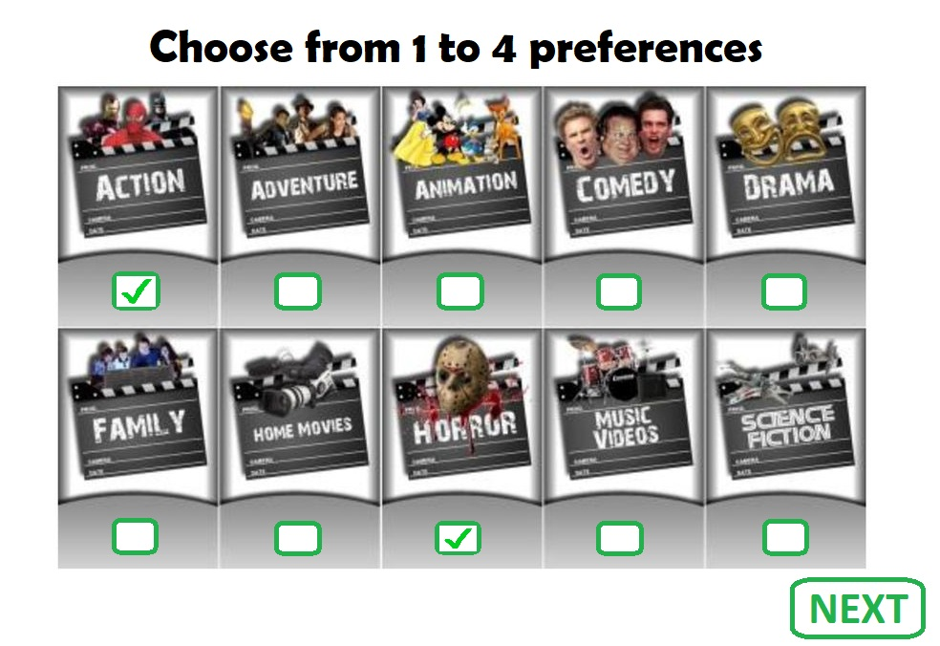
ID | Summary | Precondition | Steps | Expected result | Type
1 | 10 blocks with a selection of movies/series genres are displayed on the "Preferences" page | The "Preferences" page is open | 1. See how many selection blocks are displayed on the page | 10 blocks with a selection of movies/series genres are displayed on the "Preferences" page | P
2 | On the "Preferences" page can be selected the maximum of 4 preferences |  | 1. Select the maximum permissible quantity of preferences (4 preferences) 2. Press the button "Next" | Moved on the "Favourites" page | P
3 | On the "Preferences" page can be selected the minimum of 1 preference |  | 1. Select the minimum permissible quantity of preferences (1 preference) 2. Press the button "Next" | Moved on the "Favourites" page | P
4 | On the "Preferences" page can be selected any value in the range from the minimum to the maximum quantity of preferences (3 preferences) |  | 1. Select any value in the range from the minimum to the maximum permissible quantity of preferences (3 preferences) 2. Press the button "Next" | Moved on the "Favourites" page | P
5 | The "Preferences" step cannot be completed till minimum 1 preference is chosen |  | 1. Press the button "Next" | Error message "Please choose max 4 preferences" | N
6 | More than 4 preferences can't be selected on the "Preferences" page |  | 1. Select the maximum permissible quantity of preferences +1 preference (5 preferences) 2. Press the button "Next" | Error message "Please choose max 4 preferences" | N

Favourites
Favourites |  |  |  |  |  | Type | Key
Created by: Grinyova O. |  |  |  |  |  | Positive | P
OVERVIEW: This suite of test cases checks positive and negative scenarios of the "Favorites" page |  |  |  |  |  | Negative | N
Additional info: Mockup | 
ID | Summary | Precondition | Steps | Expected result | Type
1 | The minimum 3 movies/series can be added to Favourites on the "Favourites" page | The "Favourites" page is open | 1. Add the minimum 3 movies/series to Favourites 2. Press the button "Next" | Moved on the "Time limit" page | P
2 | Any quantity of movies/series can be added to Favourites (but at least 3) on the "Favourites" page |  | 1. On the "Favourites" page add any quantity of movies/series to Favourites, but at least 3 (4 Favourites) 2. Press the button "Next" | Moved on the "Time limit" page | P
3 | The "Favourites" step cannot be completed if no movies/series are added to Favourites |  | 1. Press the button "Next" | Error message "Please add at least 3 movies/series to your Favourites" | N
4 | The "Favourites" step cannot be completed if less than 3 movies/series are added to Favourites |  | 1. On the "Favourites" page add 2 movies/series to Favourites 2. Press the button "Next" | Error message "Please add at least 3 movies/series to your Favourites" | N

Time limit
Time limit |  |  |  |  |  | Type | Key
Created by: Grinyova O. |  |  |  |  |  | Positive | P
OVERVIEW: This suite of test cases checks positive and negative scenarios of the "Time limit" page |  |  |  |  |  | Negative | N
Additional info: Mockup | 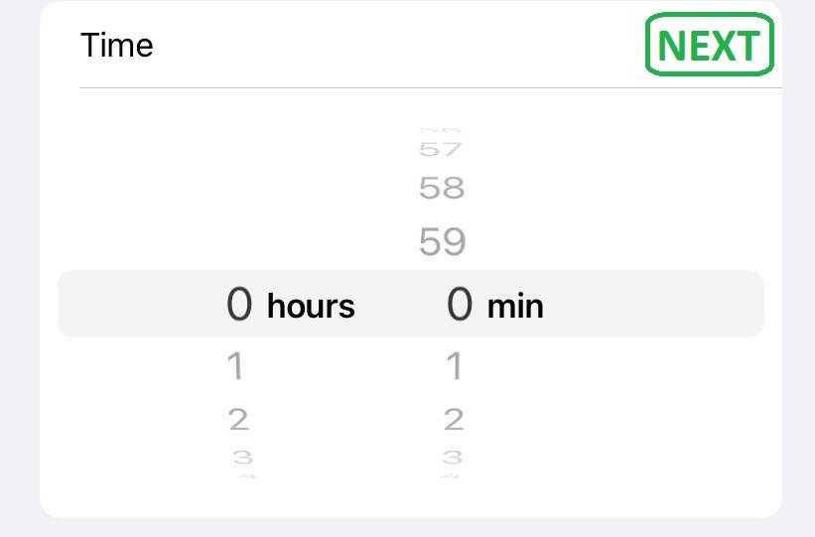
ID | Summary | Precondition | Steps | Expected result | Type
1 | The time in the "Time limit" field can be set in digits only | The "Time limit" page is open | 1. In the "Time limit" field set any time in hours and minutes as digits (e.g.:1 hour 1 min) 2. Press the button "Next" | Info message "The registration and the setup is complete." | P
2 | The time in the "Time limit" field can be set in minutes |  | 1. In the "Time limit" field set any time in minutes (from 1 to 59) (e.g.:0 hours 1 min) 2. Press the button "Next" | Info message "The registration and the setup is complete." | P
3 | The time in the "Time limit" field can only be set in hours |  | 1. In the "Time limit" field set any time in hours (from 1 to 23) (e.g.:1 hour 0 min) 2. Press the button "Next" | Info message "The registration and the setup is complete." | P
4 | In the "Time limit" field can be set the maximum number of hours (23 hours) |  | 1. In the "Time limit" field set the maximum number of hours (23 hours) (e.g.:23 hours 0 min) 2. Press the button "Next" | Info message "The registration and the setup is complete." | P
5 | In the "Time limit" field can be set the minimum number of hours (1 hour) |  | 1. In the "Time limit" field set the minimum number of hours (1 hour) (e.g.:1 hour 0 min) 2. Press the button "Next" | Info message "The registration and the setup is complete." | P
6 | In the "Time limit" field can be set an average value in the range from the maximum to the minimum number of hours (11 hours) |  | 1. In the "Time limit" field set an average value in the range from the maximum to the minimum number of hours (11 hours) (e.g.:11 hours 0 min) 2. Press the button "Next" | Info message "The registration and the setup is complete." | P
7 | In the "Time limit" field can be set the maximum number of minutes (59 min) |  | 1. In the "Time limit" field set the maximum number of minutes (59 min) (e.g.:0 hours 59 min) 2. Press the button "Next" | Info message "The registration and the setup is complete." | P
8 | In the "Time limit" field can be set the minimum number of minutes (1 min) |  | 1. In the "Time limit" field set the minimum number of minutes (1 min) (e.g.:0 hours 1 min) 2. Press the button "Next" | Info message "The registration and the setup is complete." | P
9 | In the "Time limit" field can be set an average value in the range from the maximum to the minimum number of minutes (29 min) |  | 1. In the "Time limit" field set an average value in the range from the maximum to the minimum number of minutes (29 min) (e.g.:0 hours 29 min) 2. Press the button "Next" | Info message "The registration and the setup is complete." | P
...

